Overview
DTS Software Gain Calculations
 | Article located on the Help Center: |  |  | https://support.dtsweb.com/hc/en-us/articles/1500008387681

Purpose:
 | The purpose of this document is to supply information relating to the Gain Calculations and Settings used in DTS Software Suites with respoect to SLICE Micro/Nano/IP68, SLICE6 and SLICE6 Air. The following worksheets provide quick-calculations and guidance on settings for a desired gain value.

How to Use the Document:
 | Based on the sensor interface you are working with, you will use the Bridge Gain or IEPE Worksheets, as appropriate. Software Gain Selection: Allows users to enter their standard sensor settings into the Variables section and provides the default gain settings configured by DTS Software for those settings. Forced Gain Settings and Software Sensor Settings: Allows users to select a desired gain from the dropdown menu of allowable gains and then provides guidance on configuring the sensor settings in the DTS Software to apply the desired gain.
 | How to Use the Worksheets |  |  |  | Finding your Software Headroom Setting:
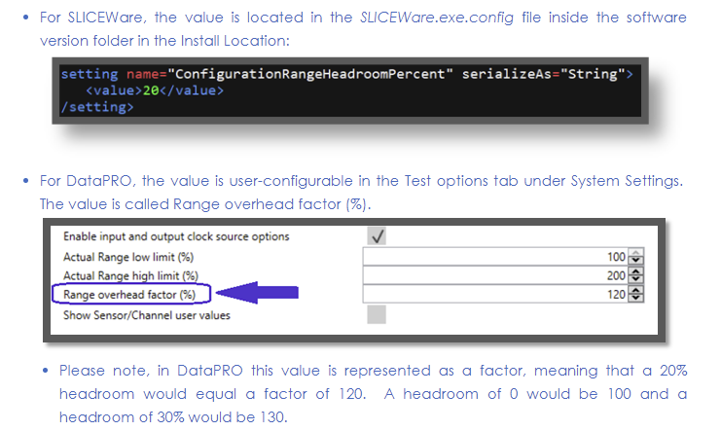
 |  | 1. | Enter the information for your Sensor in the Variables Section.

 |  | 2. | Review the Results in the Results Section.

 |  | 3. | For Forced Gain Settings, use the Recommended Settings in the Settings Section.

